1. Title Page
[Project Name]

Project Name: Instacart Grocery Basket Analysis
Date: September 2, 2022
Analyst Name: Edward Squire

Contents:
Population Flow
Consistency checks
Wrangling steps
Column derivations
Visualizations
Recommendations - See Power Point file: Instacart Final Analysis

 | “The Instacart Online Grocery Shopping Dataset 2017”, Accessed from https://www.instacart.com/datasets/grocery-shopping-2017 on [date].

2. Population Flow
Title page

Population flow

Exclusion flag
Condition: max_order <
Obervations to be removed:
Final total count of order_products_all:

Orders_products_combined
Orders_products_merged
Orders_products_all

Total: 32,434,212
Total: 32,434,489
Total: 32,434,212

1.) The grey boxes in the first row of the population flow represent the original data sets as they were when you downloaded them. In the Total fields you need to add the count of the rows when you imported the data set into Jupyter.
2.) The second row of boxes (coloured) represents the data sets after you manipulated them, e.g., removed missing values and duplicates. In the Total fields you need to add the count of the rows after conducting these operations. This offers a visual oveview of how the data flows throughout the data consistency checks.
3.) The third row, where also the arrows are coloured, represents the merges you performed between the datasets. In the Total fields you need to add the count of the rows in the merged datasets, so that you end up with the final dataset (in the red box). Keep in mind the final dataset should be without exclusions (based on the exclusion flag).

3. Consistency checks
 |  |  |  | Title page
Consistency checks

Dataset | Missing values | Missing values treatment | Duplicates
orders | 206,209 NaN | Left as is | None
products | 16 NaN | Revised dataset created | None
orders_products_prior | None | None | None
customers | None | None | None

4. Wrangling steps
 |  |  |  | Title page
Wrangling steps

Columns dropped | Columns renamed | Columns' type changed | Comment/Reason
eval_set |  |  | No value for analysis
 | order_dow changed to day_of_week |  | Easier to understand

5. Column derivations
 |  |  |  | Title page

Column derivations and aggregations

In this tab you should add tables below that the frequences of flags/label variables that you produced after deriving them. NB: don't do this for continuous variables, only for flags.
Dataset | New column | Column/s it was derived from | Conditions
Orders_products_merged | price_range_loc | prices | df_merged.loc[df_merged['prices'] > 15, 'price_range_loc'] = 'High-range product'
 |  |  | df_merged.loc[(df_merged['prices'] <= 15) & (df_merged['prices'] > 5), 'price_range_loc'] = 'Mid-range product'
 |  |  | df_merged.loc[df_merged['prices'] <= 5, 'price_range_loc'] = 'Low-range product'

Orders_products_merged | busiest_day | order_dow | result = []

 |  |  | for value in df_merged["order_dow"]:
 |  |  | if value == 0:
 |  |  | result.append("Busiest day")
 |  |  | elif value == 4:
 |  |  | result.append("Least busy")
 |  |  | else:
 |  |  | result.append("Regularly busy")

Orders_products_merged | busiest_period_of_day | order_hour_of_day | resulth = []

 |  |  | for value in df_merged["order_hour_of_day"]:
 |  |  | if value == 10 or value == 11 or value == 14 or value == 15:
 |  |  | resulth.append("Most orders")
 |  |  | elif value == 4 or value == 3 or value == 2 or value == 5:
 |  |  | resulth.append("Fewest orders")
 |  |  | else:
 |  |  | resulth.append("Average orders")

Orders_products_merged | max_order | avg_price | df_merged_two.loc[df_merged_two['avg_price'] >= 10, 'loyalty_flag'] = 'High Spender'
 |  |  | df_merged_two.loc[df_merged_two['avg_price'] < 10, 'loyalty_flag'] = 'Low Spender'

Orders_products_merged | loyalty flag | max_order | df_merged_final.loc[df_merged_final['max_order'] > 40, 'loyalty_flag'] = 'Loyal customer'
 |  |  | df_merged_final.loc[(df_merged_final['max_order'] <= 40) & (df_merged_final['max_order'] > 10), 'loyalty_flag'] = 'Regular customer'
 |  |  | df_merged_final.loc[df_merged_final['max_order'] <= 10, 'loyalty_flag'] = 'New customer'

Orders_products_merged | frequency flag | frequency | df_merged_two.loc[df_merged_two['frequency'] > 20, 'loyalty_flag'] = 'Non Frequent Customer'
 |  |  | df_merged_two.loc[df_merged_two['frequency'] < 10, 'loyalty_flag'] = 'Frequent Customer'
 |  |  | df_merged_two.loc[(df_merged_two['frequency'] < 20) & (df_merged_two['frequency'] > 10), 'loyalty_flag'] = 'Regular Customer'

Orders_products_merged | regions flag | State | result = []

 |  |  | for value in df_merged_final["STATE"]:
 |  |  | if value == 'Maine' or value == 'Vermont' or value == 'New Hampshire' or value == 'Massachusetts' or value == 'Rhode Island' or value == 'Connecticut' or value == 'New York' or value == 'Pennsylvania' or value == 'New Jersey':
 |  |  | result.append("Region_1")
 |  |  | if value == 'Ohio' or value == 'Wisconsin' or value == 'Michigan' or value == 'Illinois' or value == 'Indiana' or value == 'North Dakota' or value == 'South Dakota' or value == 'Nebraska' or value == 'Kansas' or value == 'Minnesota' or value == 'Iowa' or value == 'Missouri':
 |  |  | result.append("Region_2")
 |  |  | if value == 'Utah' or value == 'Idaho' or value == 'Montana' or value == 'Wyoming' or value == 'Nevada' or value == 'Colorado' or value == 'Arizona' or value == 'New Mexico' or value == 'Alaska' or value == 'Washington' or value == 'Oregon' or value == 'California' or value == 'Hawaii':
 |  |  | result.append("Region_4")
 |  |  | if value == 'Delaware' or value == 'Maryland' or value == 'District of Columbia' or value == 'Virginia' or value == 'West Virginia' or value == 'North Carolina' or value == 'South Carolina' or value == 'Georgia' or value == 'Florida' or value == 'Kentucky' or value == 'Tennessee' or value == 'Mississippi' or value == 'Alabama' or value == 'Oklahoma' or value == 'Texas' or value == 'Arkansas' or value == 'Louisiana':
 |  |  | result.append("Region_3")

Orders_products_merged | age flag | Age | df_merged_final.loc[df_merged_final['Age'] < 35, 'age_flag'] = 'Under 35'
 |  |  | df_merged_final.loc[(df_merged_final['Age'] >= 35) & (df_merged_final['Age'] < 60) , 'age_flag'] = '35 to 60'
 |  |  | df_merged_final.loc[df_merged_final['Age'] >= 60, 'age_flag'] = 'Over 60'

Orders_products_merged | income flag | income | df_merged_final.loc[df_merged_final['income'] < 52000, 'income_flag'] = 'Under 52,000'
 |  |  | df_merged_final.loc[(df_merged_final['income'] >= 52000) & (df_merged_final['income'] < 155000) , 'income_flag'] = '52,000 to 155,000'
 |  |  | df_merged_final.loc[df_merged_final['income'] >= 155000, 'income_flag'] = 'Over 155,000'

Orders_products_merged | opp flag | income, age, family_flag, max_order | df_merged_final.loc[(df_merged_final['income'] > 52000) & (df_merged_final['Age'] > 35) & (df_merged_final['family_flag'] == 0)
 |  |  | & (df_merged_final['max_order'] > 10), 'opp_flag'] = 'opportunity'

Orders_products_merged | money flag | income | df_merged_final.loc[df_merged_final['income'] < 52000, 'money_flag'] = 1
 |  |  | df_merged_final.loc[df_merged_final['income'] >= 52000, 'money_flag'] = 0

Orders_products_merged | years flag | Age | df_merged_final.loc[df_merged_final['Age'] < 35, 'years_flag'] = 1
 |  |  | df_merged_final.loc[df_merged_final['Age'] >= 35, 'years_flag'] = 0

Orders_products_merged | reorder flag | max_order | df_merged_final.loc[df_merged_final['max_order'] <= 10, 'reorder_flag'] = 1
 |  |  | df_merged_final.loc[df_merged_final['max_order'] > 10, 'reorder_flag'] = 0

Orders_products_merged | family flag | fam_status | df_merged_final.loc[df_merged_final['fam_status'] == 'single', 'family_flag'] = 1
 |  |  | df_merged_final.loc[df_merged_final['fam_status'] == 'married', 'family_flag'] = 0
 |  |  | df_merged_final.loc[df_merged_final['fam_status'] == 'divorced/widowed', 'family_flag'] = 0
 |  |  | df_merged_final.loc[df_merged_final['fam_status'] == 'living with parents and siblings', 'family_flag'] = 0

6. Visualizations
 |  |  | Title page

Visualisations

In this tab you should include all the visualtions from Exercises 4.9 and 4.10, alongside the questions from the project brief that they answer. Include any commentary on the relationship between different variables.

Task 4.9 Intro to Data Visualization with Python

Part 2:

2. If you haven’t done so already, follow the instructions in the Exercise to create a bar chart, a histogram, a scatterplot, and a line chart, using a sample subset for the line chart.
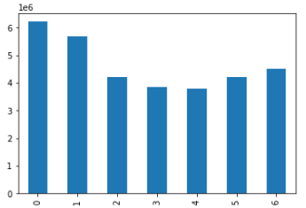
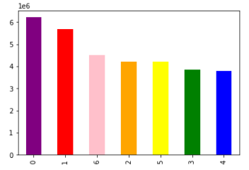

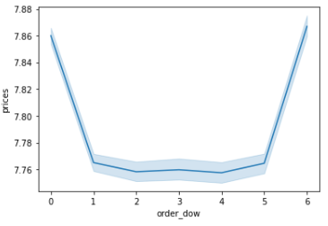

3. You need to provide the Instacart senior stakeholders with descriptive findings about sales. Create a histogram of the “order_hour_of_day” column.
In a markdown cell beneath your histogram, describe what the histogram demonstrates.
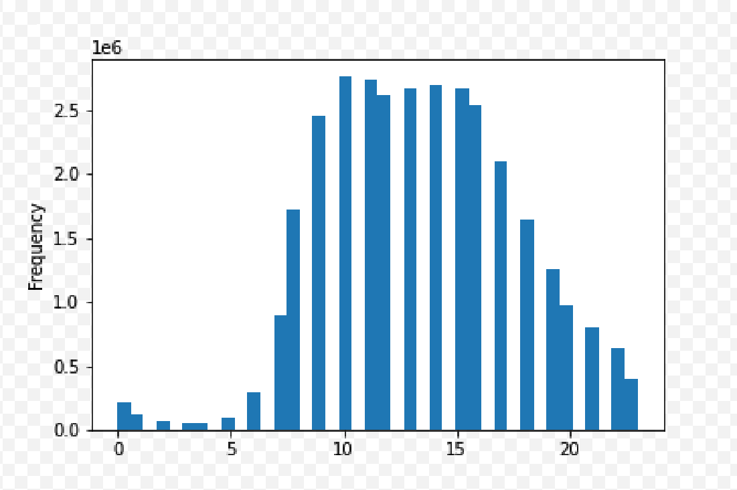

 |  | The hours of the day when sales peak (are highest) are between 10:00 AM and 3:00 PM.

4. The marketing team is curious about the distribution of orders among customers in terms of loyalty. Create a bar chart from the “loyalty_flag” column.
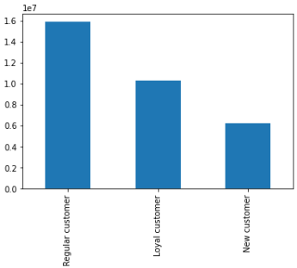

6. Now that you have information about customers, you need to conduct some exploratory analysis of customer demographics to inform the targeted marketing campaigns.
First, determine whether there’s a connection between age and family situation by creating a line chart exploring the connections between age and number of dependents:
In a markdown cell beneath your line chart, describe what the line chart shows.

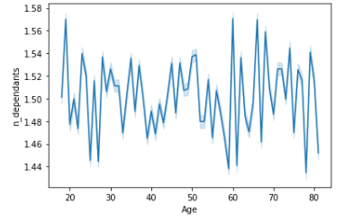

 | The line chart shows that there is absolutely no relationship between age and family situation!

7. You’ll also need to explore whether there’s a connection between age and spending power (income). To visualize this relationship, create a scatterplot using the sns.scatterplot() function.
In a markdown cell beneath your scatterplot, describe what the scatterplot shows.

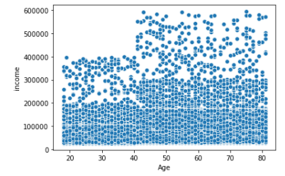

 |  | The scatterplot indicates that the older you are, the higher your income!

7. Recommendations
 |  | Title page

Recommendations

In this tab you should include any recommendations you would made to Instcart in terms of their marketing strategy based on the questions posed in the brief. Every key question has been covered in the Tasks of the Exercises - here you need to add an item - a visualisation or table/crosstable that is showing the answer in the data, acompanied by a comment from you. Please, list the questions below and add the answer underneath.

Question | Answer
Key Question 1 | Please See separate Power Point file: Instacart Final Analysis (for Insights and Recommendations).
Key Question 2
Key Question 3
Key Question 4
Key Question 5
Key Question 6
Key Question 7

